1) Box plots
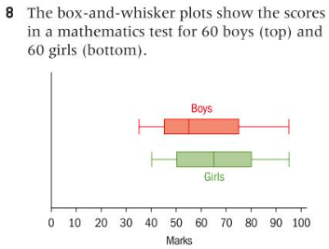
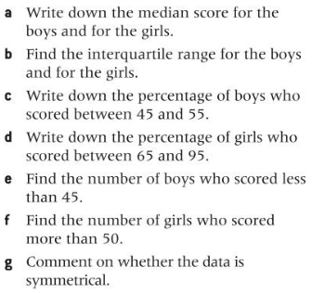
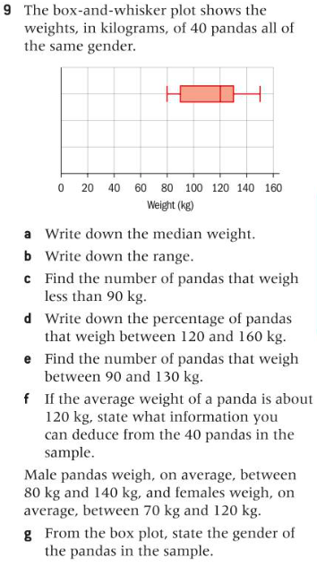
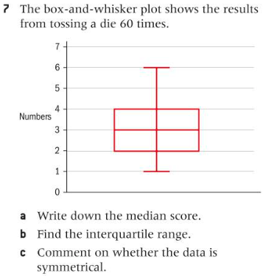
These problems are presented out of order. Do them in the order I have arranged them.
Write your answers in the spreadsheet in an organized way.
#7, 8, 9 on page 127

